Notes
NOTES TO FINANCIAL STATEMENTS - TFI (drawn up for quarterly reporting periods) Name of the issuer: Croatia osiguranje d.d. Personal identification number (OIB): 26187994862 Reporting period: 1.1.2025 - 31.12.2025 Notes to financial statements for quarterly periods include: a) explanation of business events relevant to understanding changes in the statement of financial position and financial performance for the reporting semi-annual period of the issuer with respect to the last business year: information is provided regarding these events and relevant information published in the last annual financial statement is updated (items 15 to 15C IAS 34 - Interim financial reporting) b) information on the access to the latest annual financial statements, for the purpose of understanding information published in the notes to financial statements drawn up for the semi-annual reporting period c) a statement explaining that the same accounting policies are applied while drawing up financial statements for the semi-annual reporting period as in the latest annual financial statements or, in the case where the accounting policies have changed, a description of the nature and effect of the changes (item 16.A (a) IAS 34 - Interim financial reporting) d) a description of the financial performance in the case of the issuer whose business is seasonal (items 37 and 38 IAS 34 - Interim financial reporting) e) other comments prescribed by IAS 34 - Interim financial reporting f) in the notes to quarterly periods financial statements, in addition to the information stated above, information in respect of the following matters shall be disclosed: 1. undertaking

NOTES TO THE FINANCIAL STATEMENTS – TFI

a)
Details of business events that are significant for understanding the changes in the statement of financial position and business results for the quarterly reporting period compared to the last business year are disclosed in the Management report within unconsolidated unaudited report at the end of the fourth quarter of 2025.

b)
The Annual Financial Report for 2024, for the purpose of understanding the information published in the notes to the financial statements prepared at the end of the fourth quarter of 2025, is available on the company's official website, the official website of the Zagreb Stock Exchange and the Croatian Financial Services Supervisory Agency’s Official Register.

c)
Accounting policies and measurement methods which are used in the preparation of financial statements for the reporting period are the same as those which are used for preparation of the audited financial statements for the year 2024. During 2025, the Company entered into a Virtual Power Purchase Agreement (VPPA) as a buyer and therefore have applied for the first time accounting policies regarding these derivative financial instruments and hedge accounting. Details are disclosed in the notes as part of the unconsolidated unaudited report at the end of the fourth quarter of 2025.

d)
Company’s operations are not seasonal.

e)
Segment reporting
The Company's reporting segments comprise the life insurance segment and the non-life insurance segment. The description of segments as well as allocation of costs between segment of life insurance and non-life insurance, capital and reserves and assets described in the annual financial statements for 2024, have not changed. There were no significant intersegmental revenues and expenses in the period observed.
Segment reports are presented in the previous forms. ​
Fair value
Details on the fair value of financial assets (overview of assets by fair value levels, description of individual fair value levels, fair value determination methods, etc.) are disclosed in the notes as part of the unconsolidated unaudited report at the end of the fourth quarter of 2025.

Overview of financial assets and financial liabilities
An overview of financial assets and liabilities with types of instruments is presented as part of the unconsolidated unaudited report at the end of the fourth quarter of 2025.

Related party transactions
On 4 April 2025, the Supervisory Board of Croatia osiguranje d.d. approved transactions between Croatia osiguranje d.d. and Adris grupa d.d., which relate to the acquisition of direct equity interests through the purchase and sale of shares in Pozavarovalnice Sava d.d. and Professio Energia d.d. Croatia osiguranje d.d. and Adris grupa d.d., as the majority shareholder of Croatia osiguranje d.d., have signed two agreements for more efficient management within the Group. Croatia osiguranje d.d. purchased and acquired a total of 838,197 shares of Pozavarovalnice Sava d.d. from Adris grupa d.d., which constitute 4.87% of the Issuer's share capital. It is also concluded an agreement by which Adris grupa d.d. purchased and acquired a total of 567,193 ordinary shares of Professio Energia d.d. from Croatia osiguranje d.d., representing 19.9985% of the registered share capital of that company. By implementing these agreements, all shares of Professio Energia d.d. previously held by Croatia osiguranje d.d. will transfer to the ownership of Adris grupa d.d., while Croatia osiguranje d.d. will become the owner of shares in Pozavarovalnice Sava d.d. that were previously owned by Adris grupa d.d. Apart from the above, in the current reporting period, there were usual related party transactions of goods and services.

1.
CROATIA osiguranje d.d., Zagreb, Vatroslava Jagića 33 (parent company) is registered in the Court Register of the Commercial Court in Zagreb, Republic of Croatia, under the Company’s Court Reg. No. (“MBS”) 080051022 and PIN (“OIB”) 26187994862. The Company's principal activity is non-life and life insurance business together with activities that are related to insurance activities and reinsurance business in the non-life insurance segment.

2.
The unconsolidated unaudited report, at the end of the fourth quarter of 2025 is prepared applying the same accounting policies as in the latest annual financial statements for 2024, which are available on the company's official website, the official website of the Zagreb Stock Exchange and the Croatian Financial Services Supervisory Agency’s Official Register. During 2025, the Company entered into a Virtual Power Purchase Agreement (VPPA) as a buyer and therefore have applied for the first time accounting policies regarding these derivative financial instruments and hedge accounting.

3.
As at 31 December 2025, the Company's contractual obligations for future investments amount to EUR 25m based on binding bids for investments in alternative investment funds.

4.
Details are disclosed in the Management report within unconsolidated unaudited report, at the end of the fourth quarter of 2025.

5.
The structure of Company’s liabilities as at 31 December 2025 and 31 December 2024 was as follows:
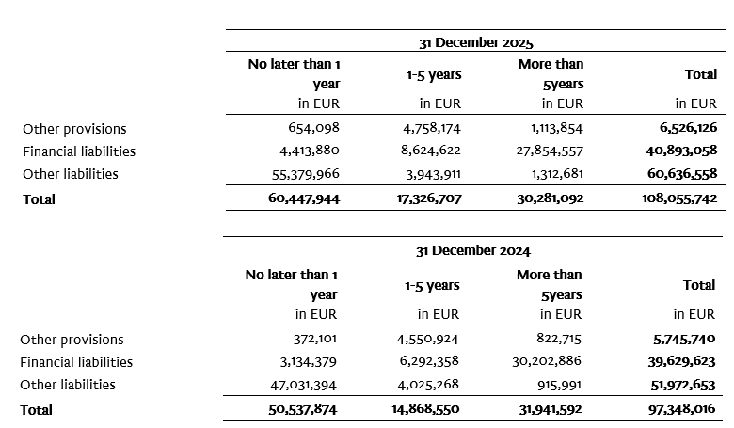

6.
The average number of employees of the Company during the current period is 2,373.

7.
The Company capitalized the costs of net salaries in the amount of EUR 97 thousand, the costs of contributions from salaries in the amount of EUR 27.9 thousand, the costs of taxes and surcharges from salaries in the amount of EUR 19.2 thousand, the costs of contributions to salaries in in the amount of EUR 18.2 thousand and other employee costs in the amount of EUR 2 thousand.

8.
The Company on 31 December 2025 has recognized deferred tax assets and liabilities.
Movement of deferred tax assets is shown in the note below:

Movement of deferred tax liability is shown in the note below:

9.
Details are disclosed in the notes to the unconsolidated unaudited report, at the end of the fourth quarter of 2025.
...

