Notes
NOTES TO THE ANNUAL FINANCIAL STATEMENTS - GFI Name of issuer: Croatia osiguranje d.d. Personal identification number (OIB): 26187994862 Reporting period: 1.12025 - 31.12.2025 Notes to the financial statements are to be drawn up in accordance with the International Financial Reporting Standards (hereinafter: IFRS) in such a way that they: a) present information about the basis for the preparation of the financial statements and the specific accounting policies used in accordance with the International Accounting Standard 1 (IAS 1), b) disclose any information required by IFRSs that is not presented elsewhere in the statement of financial position, statement of comprehensive income, statement of cash flows and statement of changes in equity, c) provide additional information that is not presented elsewhere in the statement of financial position, statement of comprehensive income, statement of cash flows and statement of changes in equity, but is relevant for understanding any of them. (d) in the notes to the financial statements, in addition to the information stated above, information in respect of the following matters shall be disclosed: 1. issuer’s name, registered office (address), legal form, country of establishment, entity’s registration number and, if applicable, the indication whether the issuer is undergoing liquidation, bankruptcy proceedings, shortened termination proceedings or extraordinary administration 2. adopted accounting policies 3. the total amount of any financial commitments, guarantees or contingencies that are not included in the balance sheet, and an indication of the nature and form of any valuable security which has been provided; any commitments concerning pensions of the issuer within the group or company linked by virtue of participating interest shall be disclosed separately 4. the amount of advances and credits granted to the members of the administrative, managerial and supervisory bodies, with indications of

NOTES TO THE FINANCIAL STATEMENTS – GFI

a)
In accordance with Accounting Act (Official Gazette 85/24, 145/24, 151/25), the financial statements for 2025 have been prepared in accordance with International Financial Reporting Standards as adopted in the European Union and in accordance with the Ordinance on the structure and content of the financial statements for insurance or reinsurance companies (Official Gazette 20/23, 153/25). These are consolidated financial statements of the Group that also include separate financial statements of the Company (“Parent” of the Group) as defined in International Accounting Standard 27 “Separate Financial Statements” and International Financial Reporting Standard 10 “Consolidated financial statements”. The consolidated and unconsolidated financial statements have been prepared under the historical cost basis, as modified by the revaluation of land and buildings, investment property, financial assets at fair value through other comprehensive income and financial assets at fair value through profit and loss account, and by evaluating the estimated cash flows and contractual service margin when valuing insurance and reinsurance contracts. The preparation of financial statements in conformity with IFRS as adopted in the EU requires the use of certain critical accounting estimates. It also requires the Management Board to exercise its judgement in the process of applying the Group’s accounting policies. Areas involving a higher degree of judgement or complexity, or areas where assumptions and estimates are significant to the consolidated and unconsolidated financial statements, are disclosed in Note 2.31.

b)
Information required by IFRSs that is not presented elsewhere in the statement of financial position, statement of comprehensive income, statement of cash flows and statement of changes in equity, are dislosed in the notes to the audited financial statements for the year 2025.

c)
Additional information that is not presented elsewhere in the statement of financial position, statement of comprehensive income, statement of cash flows and statement of changes in equity, but is relevant for understanding any of them are dislosed in the notes to the audited financial statements for the year 2025.

d)
1.
CROATIA osiguranje d.d., Zagreb, Vatroslava Jagića 33 (parent company) is registered in the Court Register of the Commercial Court in Zagreb, Republic of Croatia, under the Company’s Court Reg. No. (“MBS”) 080051022 and PIN (“OIB”) 26187994862. The Company's principal activity is non-life and life insurance business together with activities that are related to insurance activities and reinsurance business in the non-life insurance segment.

2.
Adopted accounting policies are disclosed in in the notes 2.1. - 2.30. to the audited financial statements for the year 2025.

3.
As at 31 December 2025, the Company's contractual obligations for future investments amount to EUR 24,973 thousand based on binding bids for investments in venture capital funds (31 December 2024: EUR 26,020 thousand).

4.
The Company has no advances and credits granted to members of administrative, managerial and supervisory bodies, as well as commitments entered into on their behalf through by way of guarantees of any kind.

5.
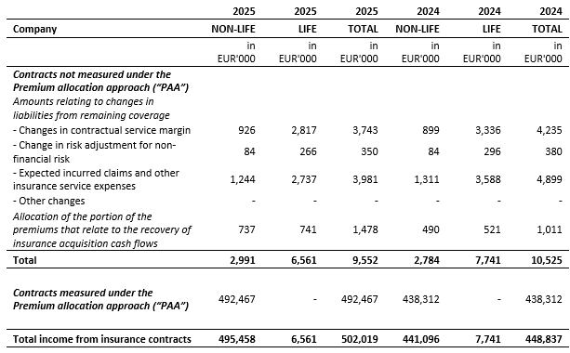
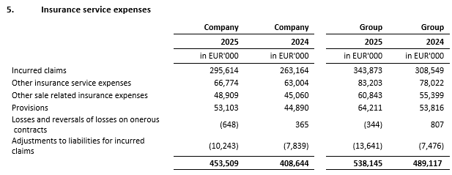

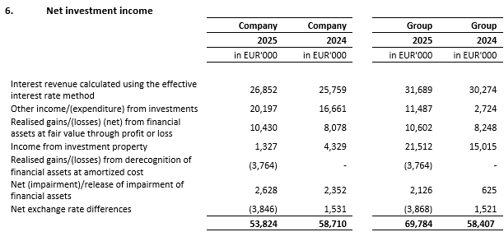

6.
The structure of liabilities as at 31 December 2025 and 31 December 2024 was as follows:

7.
The average number of employees of the Company during the current period is 2,373.

8.
During the observed period, the Company capitalized costs of net salaries in the amount of EUR 97 thousand (2024: EUR 0 thousand), costs of contributions from salaries in the amount of EUR 27.9 thousand (2024: EUR 0 thousand), costs of taxes and surcharges from salaries in the amount of EUR 19.2 thousand (2024: EUR 0 thousand), costs of contributions to salaries in the amount of EUR 18.2 thousand (2024: EUR 0 thousand) and other costs of employees in the amount of EUR 2 thousand (2024: EUR 0 thousand).

9.
Key management compensation includes gross salary, life insurance premiums, benefits in kind, bonuses in cash and shares of the parent company, termination benefits and compensation of the Supervisory Board. The remuneration of key management in the note includes provisions for bonuses for 2025 and 2024. The paid bonuses of key management for 2025 amount to EUR 1,385 thousand for the Company (2024: EUR 1,374 thousand) and include EUR 1,191 thousand (2024: EUR 854 thousand) of bonus paid in shares of the parent company.

10.
The average number of employees of the Company during the current period is 2,373. The breakdown of staff costs is dislosed below:
 | Company | Company
 | 2025 | 2024
 | in 000 EUR | in 000 EUR
Net salaries | 49,797 | 45,029
Contributions from salaries | 11,735 | 10,412
Taxes and surtaxes | 5,848 | 5,279
Contributions on salaries | 8,945 | 7,899
 | 76,325 | 68,619

11.
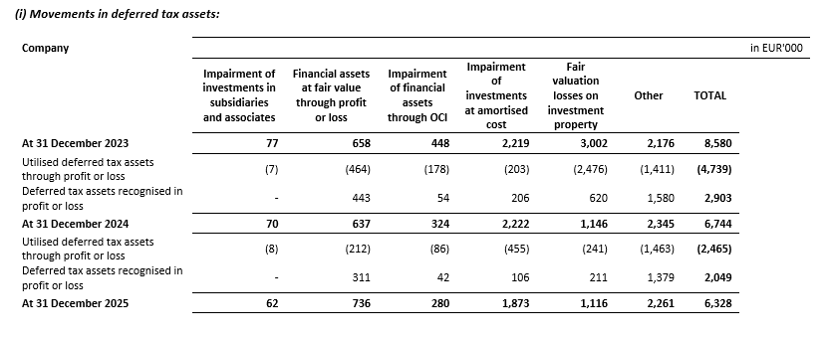

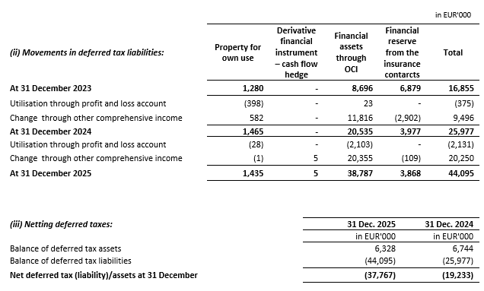

12.
The Company has no participating interests.

13.
There were no transactions of subscription of shares during the financial year within the limits of the authorised capital.
...
21.
The Company has no material arrangement that are not included in the presented financial statements.

22.
Significant business events in the reporting period There were no significant events after the end of the reporting period that would require disclosure.

23.
An overview of the Company's revenues by geographical area is shown below:
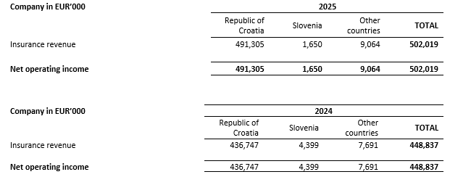

24.
The auditors of the Group’s financial statements have provided services in 2025 in the amount of EUR 484 thousand plus value added tax (2024: EUR 441 thousand plus value added tax). The Company was provided services in the amount of EUR 270 thousand plus value added tax (2024: EUR 225 thousand plus value added tax). Services in 2025 and 2024 relate to the costs of the statutory audit of annual financial statements and related audit services. During 2025 and during 2024 Deloitte d.o.o. provided educational services.
...

