Notes
NOTES TO FINANCIAL STATEMENTS - TFI (drawn up for half-year reporting periods) Name of the issuer: Croatia osiguranje d.d. Personal identification number (OIB): 26187994862 Reporting period: 1.1.2023 - 31.12.2023 Notes to financial statements for quarterly periods include: a) explanation of business events relevant to understanding changes in the statement of financial position and financial performance for the reporting semi-annual period of the issuer with respect to the last business year: information is provided regarding these events and relevant information published in the last annual financial statement is updated (items 15 to 15C IAS 34 - Interim financial reporting) b) information on the access to the latest annual financial statements, for the purpose of understanding information published in the notes to financial statements drawn up for the semi-annual reporting period c) a statement explaining that the same accounting policies are applied while drawing up financial statements for the semi-annual reporting period as in the latest annual financial statements or, in the case where the accounting policies have changed, a description of the nature and effect of the changes (item 16.A (a) IAS 34 - Interim financial reporting) d) a description of the financial performance in the case of the issuer whose business is seasonal (items 37 and 38 IAS 34 - Interim financial reporting) e) other comments prescribed by IAS 34 - Interim financial reporting f) in the notes to half-year periods financial statements, in addition to the information stated above, information in respect of the following matters shall be disclosed: 1. undertaking

NOTES TO THE FINANCIAL STATEMENTS – TFI

a)
Details of business events that are significant for understanding the changes in the statement of financial position and business results for the reporting quarterly period compared to the last business year are disclosed in the Quarterly Management report within consolidated unaudited qarterly report for the fourth quarter of 2023.

b)
The Annual Financial Report for 2022, for the purpose of understanding the information published in the notes to the financial statements prepared for the fourth quarter of 2023, is available on the company's official website, the official website of the Zagreb Stock Exchange and the Croatian Financial Services Supervisory Agency’s Official Register.

c)
Accounting policies which are used in the preparation of financial statements for the reporting period are the same as those which are used for preparation of the audited financial statements for the year 2022,
except the part related to the adoption of IFRS 17 and IFRS 9, as stated in the financial statements for the fourth quarter of 2023.

d)
Group’s operations are not seasonal.

e)
Segment reporting
The Group's reporting segments comprise the life insurance segment and the non-life insurance segment. The description of segments as well as allocation of costs between segment of life insurance and non-life insurance, capital and reserves and assets described in the annual financial statements for 2022, have not changed. There were no significant intersegmental revenues and expenses in the period observed.
Segment reports are presented in the previous forms. ​

Fair value
Details on the fair value of financial assets (overview of assets by fair value levels, description of individual fair value levels, fair value determination methods, etc.) are disclosed in the notes as part of the consolidated unaudited quarterly report for the fourth quarter of 2023.

Overview of financial assets and financial liabilities
An overview of financial assets and liabilities with types of instruments is presented as part of the consolidated unaudited quarterly report for the fourth quarter of 2023.

Related party transactions
There were no unusual related party transactions of goods and services in the current reporting period.

Details of the basis for the preparation of financial statements, the reporting currency as well as other necessary disclosures, are listed in the consolidated unaudited statement of operations for the fourth quarter of 2023.

1.
CROATIA osiguranje d.d., Zagreb, Vatroslava Jagića 33 (parent company) is registered in the Court Register of the Commercial Court in Zagreb, Republic of Croatia, under the Company’s Court Reg. No. (“MBS”) 080051022 and PIN (“OIB”) 26187994862. The Company's principal activity is non-life and life insurance business together with activities that are related to insurance activities and reinsurance business in the non-life insurance segment.

2.
The consolidated unaudited quarterly report, for the period 1 January 2023 - 31 December 2023 is prepared applying the same accounting policies as in the latest annual financial statements for 2022,
which are available on the company's official website, the official website of the Zagreb Stock Exchange and the Croatian Financial Services Supervisory Agency’s Official Register, except the part related to the adoption of IFRS 17 and IFRS 9, as stated in the financial statements for the fourth quarter of 2023.

3.
As at 31 December 2023, the Group's contractual obligations for future investments amount to EUR 29m based on binding bids for investments in alternative investment funds.

4.
Details are disclosed in the Quarterly Management report within consolidated unaudited quarterly report, for the period 1 January 2023 - 31 December 2023.

5.
The structure of liabilities as at 31 December 2023 and 31 December 2022 was as follows:
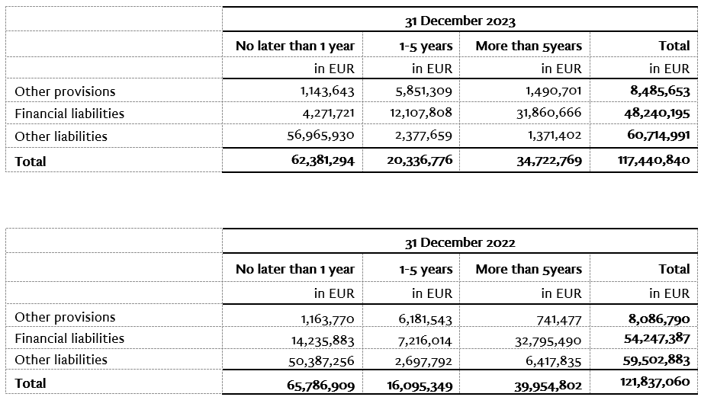

6.
The average number of employees of the Group during the current period is 3,786.

7.
The Group capitalized the costs of net salaries in the amount of EUR 323.1 thousand, the costs of contributions from salaries in the amount of EUR 93.3thousand, the costs of taxes and surcharges from salaries in the amount of EUR 69.6 thousand, the costs of contributions to salaries in in the amount of EUR 73.2 thousand and other employee costs in the amount of EUR 26.4 thousand.

8.
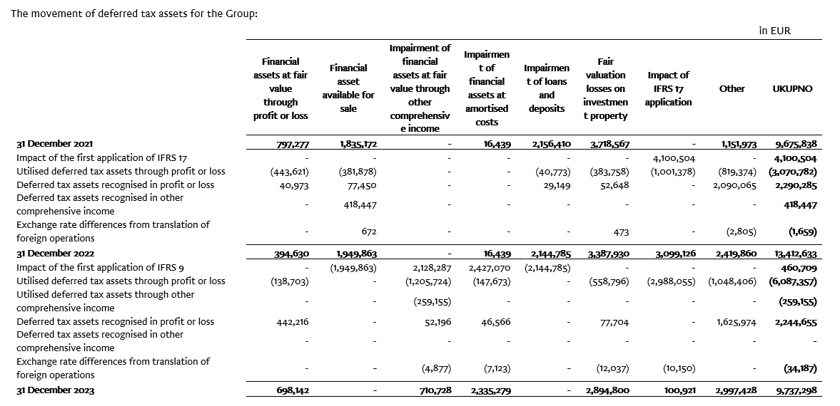

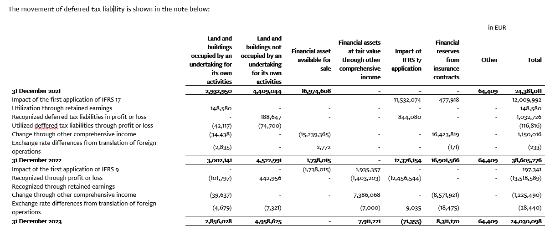

9.
In consolidation, the equity method is used for the valuation of investments in associates Agroservis - STP d.o.o., Virovitica (37%) and joint venture PBZ CROATIA osiguranje d.d. (50.0%).

The following is a summary of financial information for PBZ CROATIA osiguranje d.d. for the last year for which the annual financial statements have been adopted and which have been presented for the Group using the equity method.
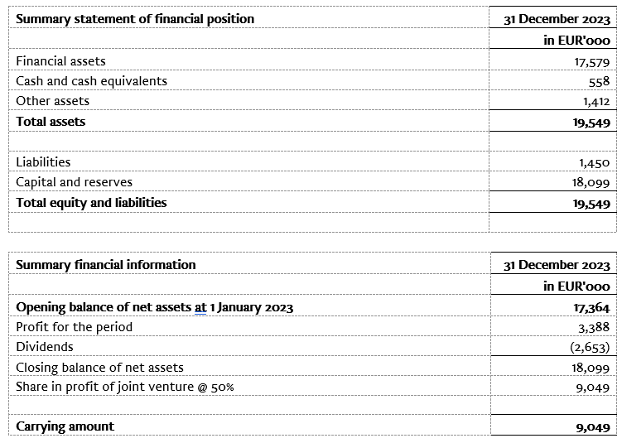

10.
The Company's share capital with a nominal value of EUR 79,924 thousand as at 31 December 2023 is divided among 429,697 shares with a nominal value of EUR 186,00. The shares are marked as follows:

Number of shares | Nominal amount (in 000 EUR)
307,598 ordinary shares I. emission with ticker CROS-R-A/CROS | 57.213
113,349 ordinary shares II. emission with ticker CROS-R-A/CROS | 21.083
TOTAL OF ORDINARY SHARES | 78.296
8,750 preference shares I. emission with ticker CROS-P-A/CROS2 | 1.628
TOTAL OF PREFERENCE SHARES | 1.628
TOTAL OF ORDINARY AND PREFERENCE SHARES | 79.924

Each share, ordinary and preference, provides the right to 1 (one) vote at the Company's General Assembly, Due to the guaranteed dividend payment, preference shares are classified as financial liabilities, All shares are paid in full, issued in dematerialized form, are transferable and are managed at the central depository of the Central Depository & Clearing Company.

Based on the provisions of the Act on the introduction of the euro as the official currency in the Republic of Croatia and the provisions of the Companies Act, the Company proposed at the General assembly a decision on the adjustment of the share capital and the nominal amount of the Company's shares in such a way as to increase the amount of the nominal value of the share from 185.81 EUR, calculated by conversion into euros using a fixed conversion rate with rounding to the nearest cent, to the amount of EUR 186.00. The aforementioned increase in the nominal amount of the share is carried out in order to round the nominal amount of the shares to a whole number, as prescribed by Article 163, paragraph 4 of the Companies Act.

With the purpose of aligning the share capital with the provisions of the Companies Act, the share capital is increased by the amount of EUR 80,812.35, whereby the total share capital of the Company after recalculation and adjustment amounts to EUR 79,923,642.00. This adjustment was made on 5 October 2023 after changes in the court register.

11.
The Group has no participation certificates, convertible debentures, warrants, options or similar securities or rights.

12.
The Group has no shares in companies having unlimited liability.

13.
CROATIA osiguranje d.d. is majorly owned by ADRIS GRUPA d.d., Rovinj and is included in the consolidated financial statements of ADRIS GRUPA d.d. which are available on the website of ADRIS GRUPA d.d.

14.
The largest group of undertakings of which the undertaking forms part as a controlled group member is also the only group in which the undertaking forms part as a controlled group member.

15.
Financial statements are available on the Internet page adris.hr.

16.
The Group has no material arrangement that are not included in the presented consolidated financial statements.

17.
Significant business events in the reporting period
On 19 January 2024, the Management Board and the Supervisory Board proposed to the General Assembly the payment of a dividend in the total amount of EUR 65,000,265.19, or EUR 151.27 per share. The Company has been operating successfully in the past years, with a growing level of profit and high capital adequacy rates. The Company was continuously highly capitalized (SCR ratio of the Company as of 30 September 2023 was 337%, i.e. at the consolidated level 293%, while the unaudited quarterly SCR ratio of the Company as of 31 December 2023 was 309% and includes capital reduction for foreseeable dividends), despite geopolitical disturbances, a period of high inflation and natural disasters. The entry of the Republic of Croatia into the Eurozone additionally contributed positively to the above indicator. Considering all the above, the Management Board believes that it is able to pay the dividend to its shareholders without disrupting the stability of operations and while maintaining a high level of capital adequacy.
The Company announced that the member of the Management Board, Vančo Balen, will leave the company by 30 June 2024 on personal request, for private reasons.

